Sheet1
Logistic mapping demonstrates periodic doubling (Mitchell Feigenbaum) as r moves from 1 to lim 4. Deterministic chaos (sensitivity to initial condition) is evidenced as r approaches 4
r value | iteration | initial condition | finish | Logistic mapping is used by computers to generate pseudo-random numbers
2 | 0 | 0.251 | 0.375998
times series function
 | 1 | 0.375998 | 0.46924700799
 | 2 | 0.46924700799 | 0.49810850697 |  | CLICK GRAPH TO RUN CODE

 | 3 | 0.49810850697 | 0.49999284451
 | 4 | 0.49999284451 | 0.4999999999
 | 5 | 0.4999999999 | 0.5
 | 6 | 0.5 | 0.5
 | 7 | 0.5 | 0.5
 | 8 | 0.5 | 0.5
 | 9 | 0.5 | 0.5
 | 10 | 0.5 | 0.5
 | 11 | 0.5 | 0.5
 | 12 | 0.5 | 0.5
 | 13 | 0.5 | 0.5
 | 14 | 0.5 | 0.5
 | 15 | 0.5 | 0.5
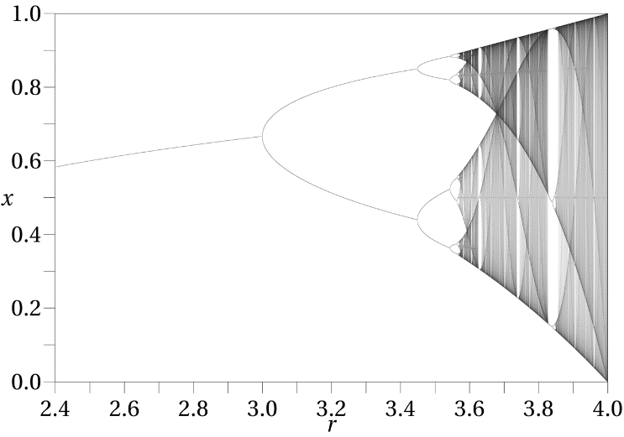
 | 16 | 0.5 | 0.5
 | 17 | 0.5 | 0.5
 | 18 | 0.5 | 0.5
 | 19 | 0.5 | 0.5
 | 20 | 0.5 | 0.5
 | 20 | 0.5 | 0.5
 | 20 | 0.5 | 0.5
 | 20 | 0.5 | 0.5
 | 20 | 0.5 | 0.5
 | 20 | 0.5 | 0.5
 | 20 | 0.5 | 0.5
 | 20 | 0.5 | 0.5
 | 20 | 0.5 | 0.5
 | 20 | 0.5 | 0.5
 | 20 | 0.5 | 0.5
 | 20 | 0.5 | 0.5
 | 20 | 0.5 | 0.5
 | 20 | 0.5 | 0.5
 | 20 | 0.5 | 0.5
 | 20 | 0.5 | 0.5
 | 20 | 0.5 | 0.5
 | 20 | 0.5 | 0.5
 | 20 | 0.5 | 0.5
 | 20 | 0.5 | 0.5
 | 20 | 0.5 | 0.5
 | 20 | 0.5 | 0.5
 | 20 | 0.5 | 0.5
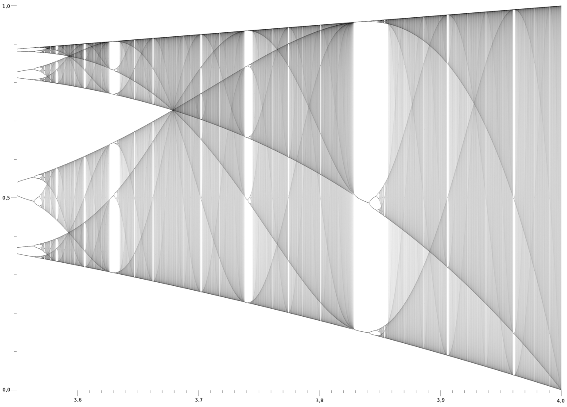
 | 20 | 0.5 | 0.5
 | 20 | 0.5 | 0.5
 | 20 | 0.5 | 0.5
 | 20 | 0.5 | 0.5
 | 20 | 0.5 | 0.5
 | 20 | 0.5 | 0.5
 | 20 | 0.5 | 0.5
 | 20 | 0.5 | 0.5
 | 20 | 0.5 | 0.5
 | 20 | 0.5 | 0.5
 | 20 | 0.5 | 0.5
 | 20 | 0.5 | 0.5
 | 20 | 0.5 | 0.5
 | 20 | 0.5 | 0.5
 | 20 | 0.5 | 0.5
 | 20 | 0.5 | 0.5
 | 20 | 0.5 | 0.5
 | 20 | 0.5 | 0.5
 | 20 | 0.5 | 0.5
 | 20 | 0.5 | 0.5
 | 20 | 0.5 | 0.5
 | 20 | 0.5 | 0.5
 | 20 | 0.5 | 0.5
 | 20 | 0.5 | 0.5
 | 20 | 0.5 | 0.5
 | 20 | 0.5 | 0.5
 | 20 | 0.5 | 0.5
 | 20 | 0.5 | 0.5
 | 20 | 0.5 | 0.5
 | 20 | 0.5 | 0.5
 | 20 | 0.5 | 0.5
 | 20 | 0.5 | 0.5
 | 20 | 0.5 | 0.5
 | 20 | 0.5 | 0.5
 | 20 | 0.5 | 0.5
 | 20 | 0.5 | 0.5
 | 20 | 0.5 | 0.5
 | 20 | 0.5 | 0.5
 | 20 | 0.5 | 0.5
 | 20 | 0.5 | 0.5
 | 20 | 0.5 | 0.5
 | 20 | 0.5 | 0.5
 | 20 | 0.5 | 0.5
 | 20 | 0.5 | 0.5
 | 20 | 0.5 | 0.5
 | 20 | 0.5 | 0.5
 | 20 | 0.5 | 0.5
 | 20 | 0.5 | 0.5
 | 20 | 0.5 | 0.5
 | 20 | 0.5 | 0.5
 | 20 | 0.5 | 0.5
 | 20 | 0.5 | 0.5
 | 20 | 0.5 | 0.5
 | 20 | 0.5 | 0.5
 | 20 | 0.5 | 0.5

